Dashboard
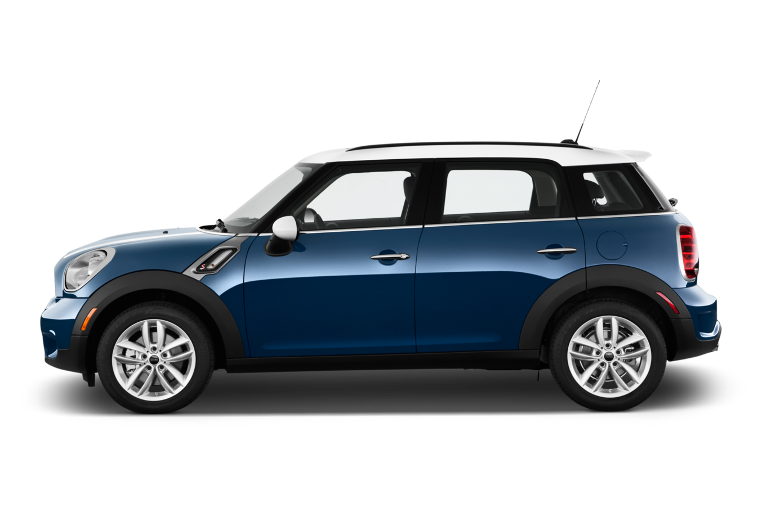
Aso Rock Car Dealers Sales Analysis
Car Dealers Sales Analysis

Total Cars Sold
Avg. Annual Income
Avg. Price of Cars Sold
23906
$28,090.25
$830,840.29

Filter By
Region by Price and Quantity
 | Sum of Price ($) | Sum of Qty
Aurora | $88,687,382.00 | 3130
Austin | $117,192,531.00 | 4135
Greenville | $88,149,602.00 | 3128
Janesville | $106,351,234.00 | 3821
Middletown | $87,134,628.00 | 3128
Pasco | $88,040,714.00 | 3131
Scottsdale | $95,969,374.00 | 3433
Cars Sold Overtime
 | Total
January | 790
February | 735
March | 1535
April | 1655
May | 1895
June | 1715
July | 1725
August | 1705
September | 3305
October | 1830
November | 3470
December | 3546

s

Top 10 Car Models
 | Total
Diamante | 418
Silhouette | 411
Prizm | 411
Passat | 391
Ram Pickup | 383
Jetta | 382
RL | 372
LS400 | 354
LHS | 330
A6 | 329
Count of Gender
 | Total
Female | 5108
Male | 18798

